Linkdin bug
Defect Report Template

Defect Header

Defect Summary | User is not able see linkdin login screen while clicking on linkdin button option to sign up
Reporter | Ekul Chugh
Date Submitted | 6/2/23
Assignee | Divya Sachan
Environment | Q-A-1
Type of Bug | Funtional
Status | New
Date Closed
Severity | Major
Priority | High

Defect Description
User is not able see linkdin login screen while clicking on linkdin button option to sign in the website.
Steps To Reproduce | Open given specific browser - chrome.
 | Navigate the page by entering URL( https://accounts2.hktdc.com/en/login?auth_req=y ) in the chrome search box.
 | You should be able to see the log/sign up page.
 | Verify that user is able to see the "linkdin logo button" in the bottom of the page
 | Scroll down, click on the linkdin logo button, below the login form.

Expected Result | User should be able to see the login screen page to fill the linkdin credentials.

Actual Result | User is unable to see the Linkdin log in screen.

Screenshots | 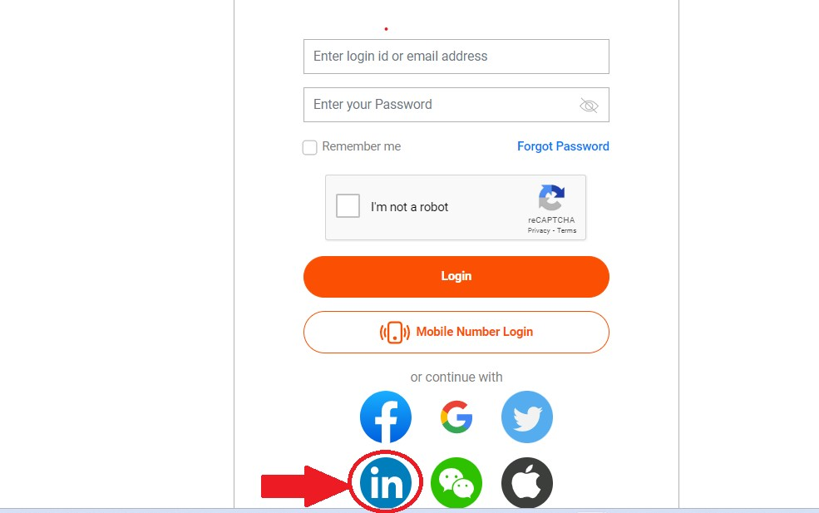

Additional Information

